Current Statistics
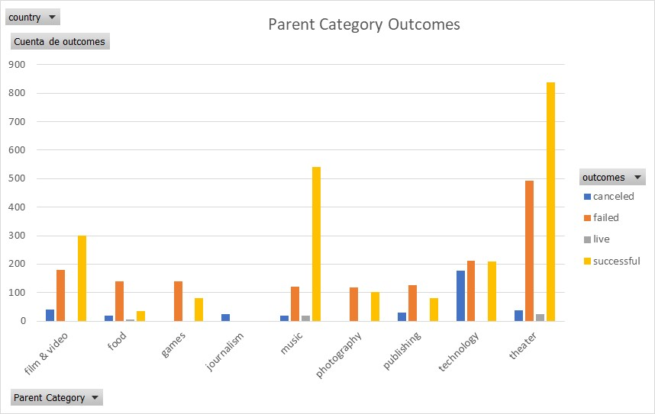
country | (Todas)

Cuenta de outcomes | Etiquetas de columna
Etiquetas de fila | canceled | failed | live | successful | Total general
theater | 37 | 493 | 24 | 839 | 1393
Parent Category Outcomes
Total general | 37 | 493 | 24 | 839 | 1393

Subcategory Statistics
country | GB
Parent Category | (Todas)

Cuenta de outcomes | Etiquetas de columna
Etiquetas de fila | failed | live | successful | Total general
plays | 70 | 6 | 238 | 314
Total general | 70 | 6 | 238 | 314

Outcomes Based on Launch Date
Parent Category | theater

 | canceled | failed | live | successful
ene | 7 | 33 | 2 | 56
feb | 3 | 39 | 8 | 71
mar | 3 | 33 | 14 | 56
abr | 2 | 40 |  | 71
may | 3 | 52 |  | 111
jun | 4 | 49 |  | 100
jul | 1 | 50 |  | 87
ago | 4 | 47 |  | 72
sep | 4 | 34 |  | 59
oct |  | 50 |  | 65
nov | 3 | 31 |  | 54
dic | 3 | 35 |  | 37
Cuenta de outcomes | Etiquetas de columna
Etiquetas de fila | canceled | failed | live | successful | Total general
ene | 7 | 33 | 2 | 56 | 98
feb | 3 | 39 | 8 | 71 | 121
mar | 3 | 33 | 14 | 56 | 106
abr | 2 | 40 |  | 71 | 113
may | 3 | 52 |  | 111 | 166
jun | 4 | 49 |  | 100 | 153
jul | 1 | 50 |  | 87 | 138
ago | 4 | 47 |  | 72 | 123
sep | 4 | 34 |  | 59 | 97
oct |  | 50 |  | 65 | 115
nov | 3 | 31 |  | 54 | 88
dic | 3 | 35 |  | 37 | 75
Total general | 37 | 493 | 24 | 839 | 1393

